模板
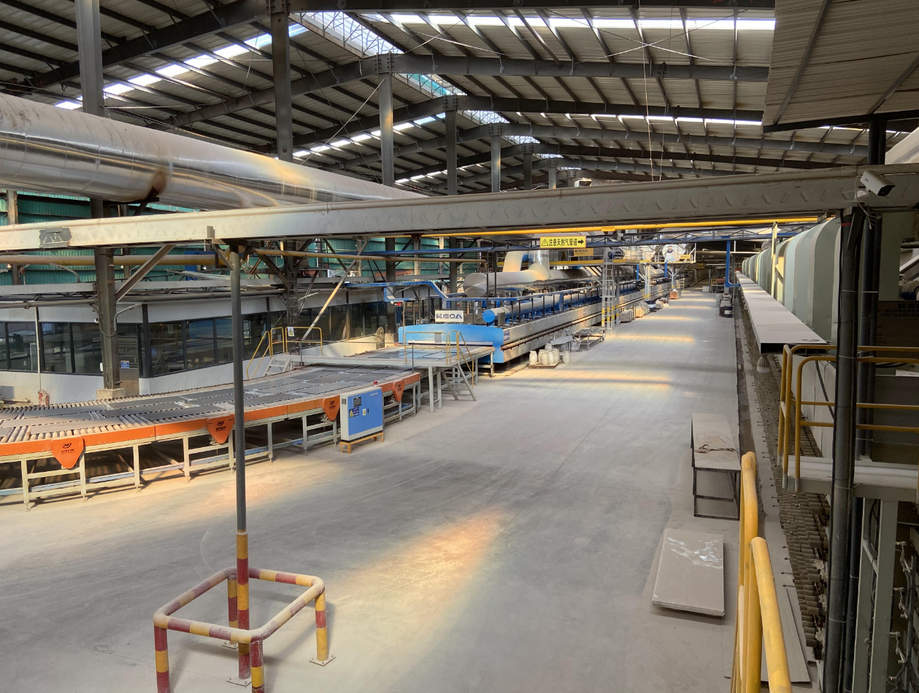 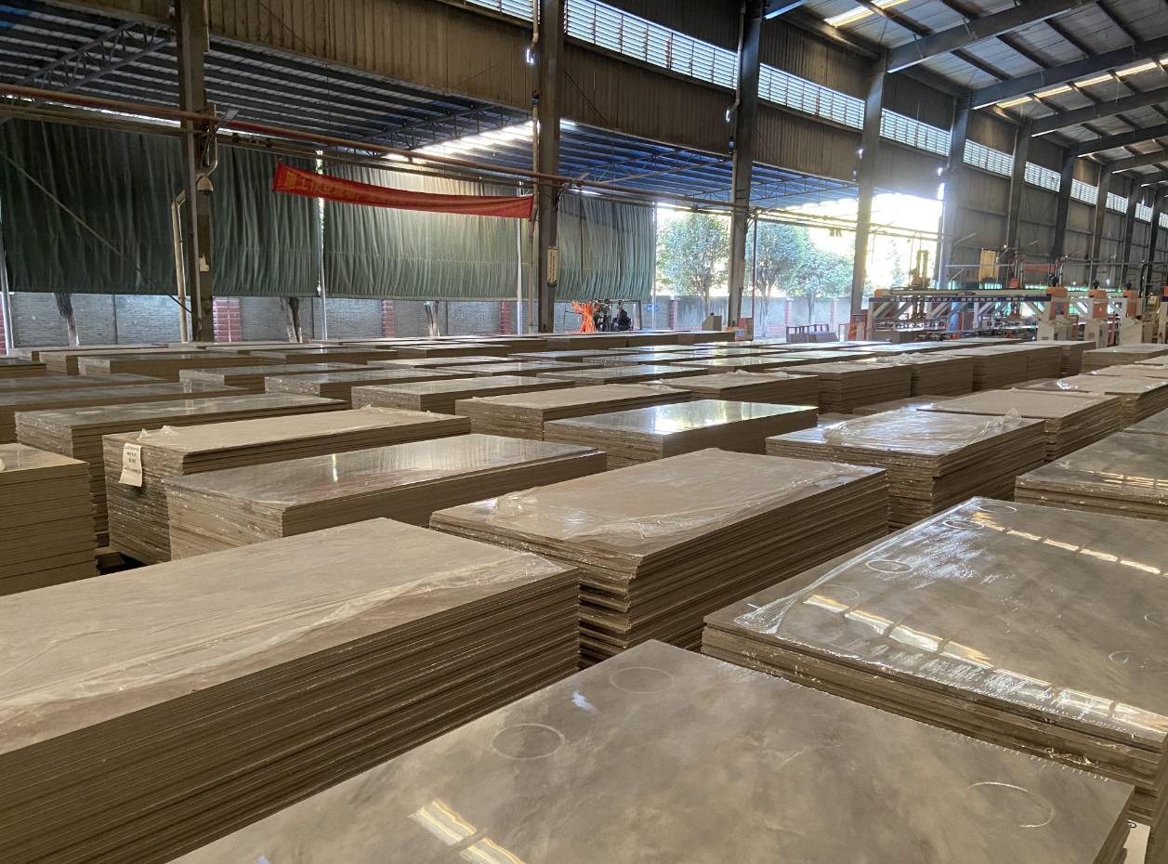 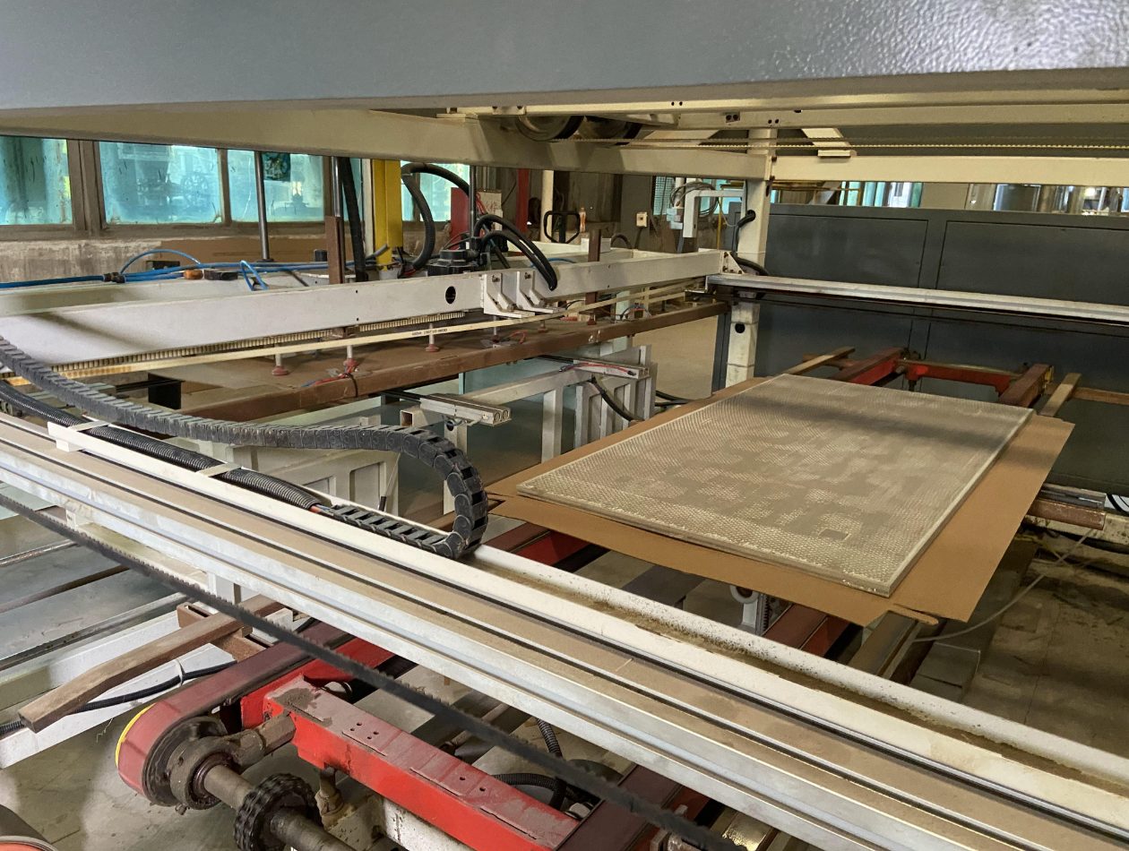 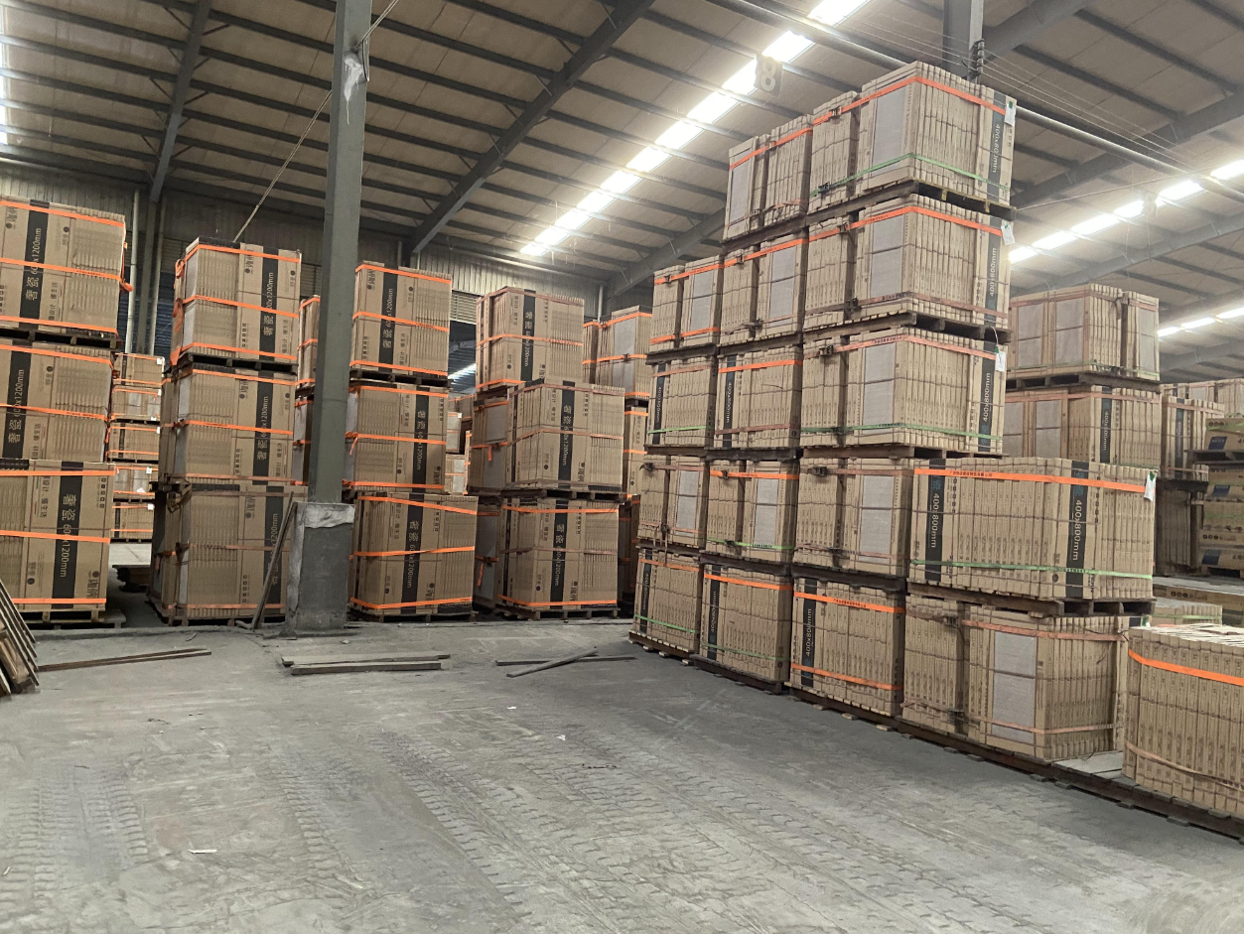 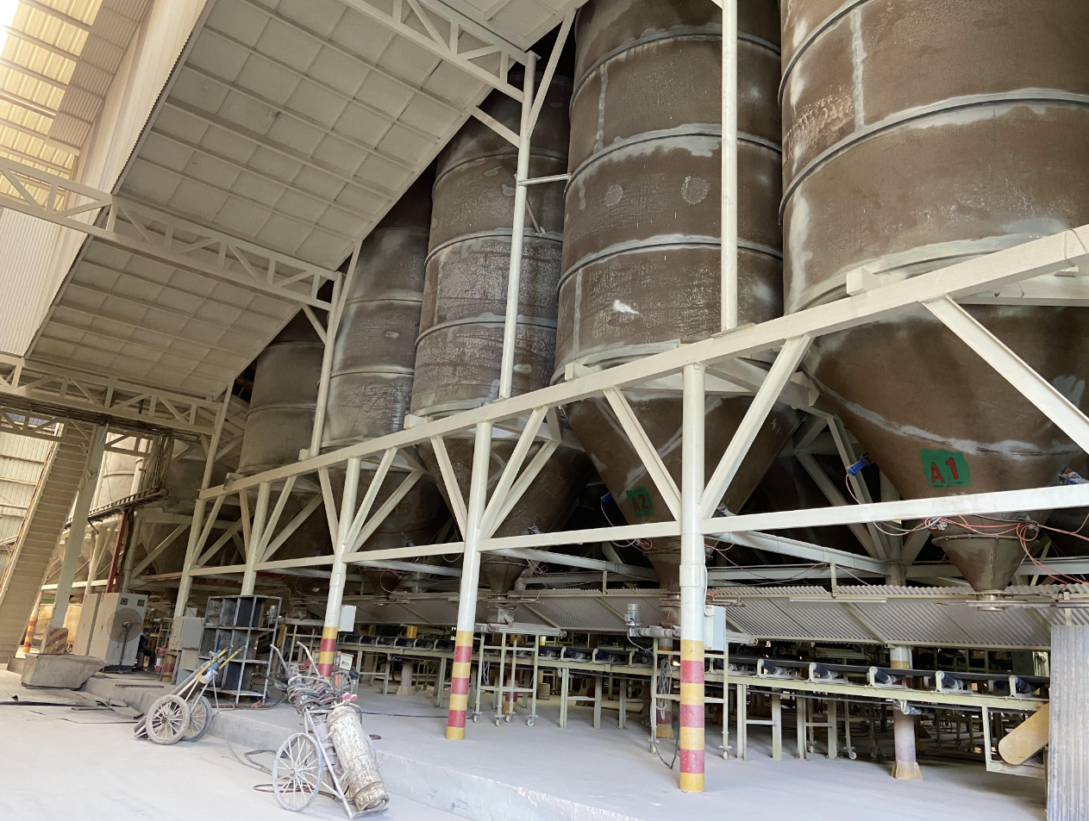
Customer |  |  |  |  |  |  |  |  | Customer Country
Email |  |  |  |  |  |  |  |  | Moblie Number
Quote Date |  |  |  | 2026-10-26 |  |  |  |  | Valid until
Order NO |  |  |  |  |  |  |  |  | Sales |  |  | Cathy
Date of order |  |  |  |  |  |  |  |  | Date of deliver
Proforma invoice
No | Area | Product Type | Item Number | Design | Size(mm) | Total QTY | Unit | Unit Price(USD) | Amount(USD) | Description | PCS/CTN | SQM/CTN | Total CTN | Total PCS | Total Weight(KG) | CBM(m³) | Remarks
 | (Including 0 % of wastage)
1 | floor | Porcelain tile | 排产 |  | 600*1200 | 2000 | SQM | $10.00 | $20,000.00 | Surface:Matte Thickness:9±1mm Grad：AAA | 2 | 1.44 | 1389 | 2778 | 48611.11 | 34.03
wooden pallet |  |  |  |  |  |  |  |  | $1,400.00 |  |  |  |  |  | 48611.111111
Total amount: |  |  |  |  |  |  |  |  |  |  |  |  |  |  |  | $21,400.00
Deposit: |  |  |  |  |  |  |  |  |  |  |  |  |  |  |  | $10,700.00
Balance: |  |  |  |  |  |  |  |  |  |  |  |  |  |  |  | $10,700.00
Notes.
1.Delivery Term: EXW
2.Payment terms: 50% deposit by T/T after confirming the P/I.The balance by T/T before loading.100% payment if enough stock.
3.Order lead time: Within 25-30 days after receipt of deposit or payment
4.Packing: wooden box/carton
5.The goods are delivered indoors in Foshan
6.Goods are natural products so pattern ,colors and thinknss may be a little difference from the sample.

